
 |  |  |  | CODE: |  |  | pl1101 ab SN from 98L001
DESCRIPTION: |  | SUCTION UNIT |  | SAUGGRUPPE | GROUPE ASPIRATION | GRUPO DE ASPIRACIÓN | ASPIRAZIONE
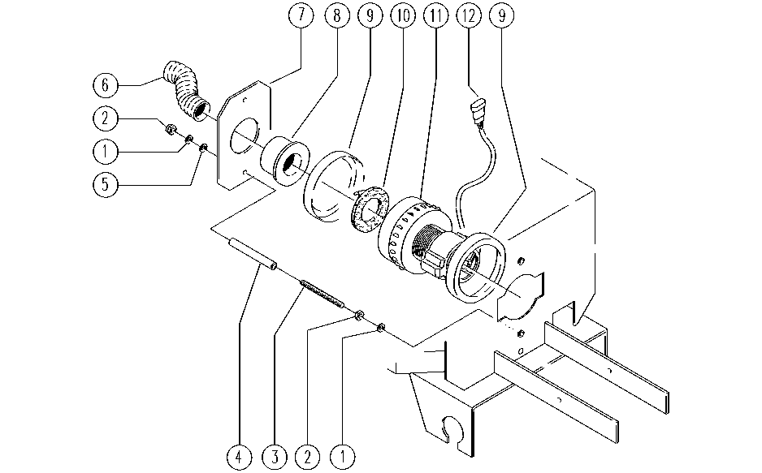

REF. | CODE | DESCRIPTION | QT
1 | E89183 | Washer | 1
2 | E86703 | Nut M8 | 2
3 | SL04232 | BAR | 2
4 | SL07309 | BAR | 2
5 | E86726 | Washer | 1
6 | SL19194 | HOSE | 2
7 | SL09726 | PLATE | 2
8 | E86449 | AS20 Bushing for Vac Motor | 1
9 | E86612 | Gasket for vacuum motor | 2
10 | E86403 | Gasket for Vacuum Motor | 1
11 | E86600 | Vacuum Motor Group | 1
12 | SL23454 | WIRING | 1

